Daily Power Station Chart_14-01
Plant_28/07/2025Chart

Plant:odco1 |  |  | Installed Capacity:111.180kWp
Today Yield(kWh):569.800kWh |  | Today Earning:227920.000TND |  | Today Full Load Hours(h):5.13h

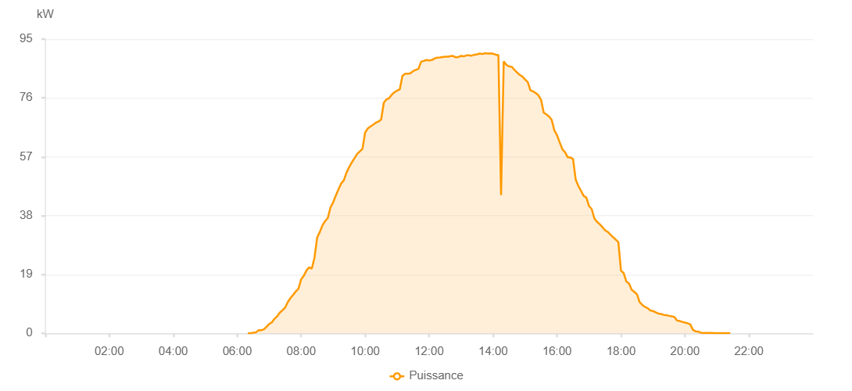

Number | Time | Working State | PV(W) | Instantaneous Radiation(W/㎡)
1 | 06:20:00 | Online | 20.00000 | 0
2 | 06:25:00 | Online | 70.00000 | 0
3 | 06:30:00 | Online | 170.00000 | 0
4 | 06:35:00 | Online | 290.00000 | 2.00000
5 | 06:40:00 | Online | 980.00000 | 6.00000
6 | 06:45:00 | Online | 980.00000 | 9.00000
7 | 06:50:00 | Online | 1280.00000 | 16.00000
8 | 06:55:00 | Online | 2090.00000 | 24.00000
9 | 07:00:00 | Online | 3010.00000 | 32.00000
10 | 07:05:00 | Online | 3540.00000 | 32.00000
11 | 07:10:00 | Online | 4710.00000 | 54.00000
12 | 07:15:00 | Online | 5490.00000 | 66.00000
13 | 07:20:00 | Online | 6690.00000 | 80.00000
14 | 07:25:00 | Online | 7500.00000 | 94.00000
15 | 07:30:00 | Online | 8330.00000 | 111.00000
16 | 07:35:00 | Online | 10110.00000 | 128.00000
17 | 07:40:00 | Online | 11430.00000 | 146.00000
18 | 07:45:00 | Online | 12420.00000 | 164.00000
19 | 07:50:00 | Online | 13540.00000 | 186.00000
20 | 07:55:00 | Online | 14440.00000 | 204.00000
21 | 08:00:00 | Online | 17430.00000 | 223.00000
22 | 08:05:00 | Online | 18600.00000 | 242.00000
23 | 08:10:00 | Online | 20290.00000 | 262.00000
24 | 08:15:00 | Online | 21310.00000 | 282.00000
25 | 08:20:00 | Online | 20890.00000 | 303.00000
26 | 08:25:00 | Online | 24420.00000 | 290.00000
27 | 08:30:00 | Online | 30910.00000 | 294.00000
28 | 08:35:00 | Online | 32730.00000 | 364.00000
29 | 08:40:00 | Online | 34870.00000 | 387.00000
30 | 08:45:00 | Online | 36230.00000 | 408.00000
31 | 08:50:00 | Online | 37240.00000 | 427.00000
32 | 08:55:00 | Online | 40660.00000 | 448.00000
33 | 09:00:00 | Online | 42280.00000 | 469.00000
34 | 09:05:00 | Online | 44510.00000 | 487.00000
35 | 09:10:00 | Online | 46460.00000 | 506.00000
36 | 09:15:00 | Online | 48380.00000 | 523.00000
37 | 09:20:00 | Online | 49400.00000 | 543.00000
38 | 09:25:00 | Online | 51850.00000 | 562.00000
39 | 09:30:00 | Online | 53640.00000 | 580.00000
40 | 09:35:00 | Online | 55180.00000 | 599.00000
41 | 09:40:00 | Online | 56520.00000 | 614.00000
42 | 09:45:00 | Online | 57900.00000 | 629.00000
43 | 09:50:00 | Online | 58740.00000 | 649.00000
44 | 09:55:00 | Online | 59560.00000 | 664.00000
45 | 10:00:00 | Online | 64840.00000 | 684.00000
46 | 10:05:00 | Online | 66150.00000 | 698.00000
47 | 10:10:00 | Online | 66790.00000 | 714.00000
48 | 10:15:00 | Online | 67350.00000 | 728.00000
49 | 10:20:00 | Online | 67990.00000 | 744.00000
50 | 10:25:00 | Online | 68400.00000 | 759.00000
51 | 10:30:00 | Online | 69000.00000 | 767.00000
52 | 10:35:00 | Online | 74430.00000 | 780.00000
53 | 10:40:00 | Online | 75550.00000 | 791.00000
54 | 10:45:00 | Online | 75940.00000 | 804.00000
55 | 10:50:00 | Online | 77060.00000 | 815.00000
56 | 10:55:00 | Online | 77840.00000 | 827.00000
57 | 11:00:00 | Online | 78350.00000 | 840.00000
58 | 11:05:00 | Online | 78800.00000 | 844.00000
59 | 11:10:00 | Online | 83110.00000 | 856.00000
60 | 11:15:00 | Online | 83800.00000 | 867.00000
61 | 11:20:00 | Online | 83810.00000 | 879.00000
62 | 11:25:00 | Online | 83960.00000 | 882.00000
63 | 11:30:00 | Online | 84680.00000 | 890.00000
64 | 11:35:00 | Online | 85050.00000 | 895.00000
65 | 11:40:00 | Online | 85370.00000 | 906.00000
66 | 11:45:00 | Online | 87700.00000 | 915.00000
67 | 11:50:00 | Online | 87970.00000 | 922.00000
68 | 11:55:00 | Online | 88260.00000 | 929.00000
69 | 12:00:00 | Online | 88110.00000 | 933.00000
70 | 12:05:00 | Online | 88230.00000 | 931.00000
71 | 12:10:00 | Online | 88730.00000 | 943.00000
72 | 12:15:00 | Online | 88990.00000 | 945.00000
73 | 12:20:00 | Online | 89050.00000 | 952.00000
74 | 12:25:00 | Online | 89190.00000 | 953.00000
75 | 12:30:00 | Online | 89300.00000 | 955.00000
76 | 12:35:00 | Online | 89340.00000 | 954.00000
77 | 12:40:00 | Online | 89530.00000 | 956.00000
78 | 12:45:00 | Online | 89540.00000 | 956.00000
79 | 12:50:00 | Online | 89120.00000 | 956.00000
80 | 12:55:00 | Online | 89210.00000 | 950.00000
81 | 13:00:00 | Online | 89580.00000 | 954.00000
82 | 13:05:00 | Online | 89430.00000 | 952.00000
83 | 13:10:00 | Online | 89740.00000 | 946.00000
84 | 13:15:00 | Online | 89750.00000 | 946.00000
85 | 13:20:00 | Online | 89650.00000 | 946.00000
86 | 13:25:00 | Online | 89970.00000 | 935.00000
87 | 13:30:00 | Online | 90090.00000 | 939.00000
88 | 13:35:00 | Online | 90340.00000 | 936.00000
89 | 13:40:00 | Online | 90170.00000 | 933.00000
90 | 13:45:00 | Online | 90460.00000 | 931.00000
91 | 13:50:00 | Online | 90340.00000 | 921.00000
92 | 13:55:00 | Online | 90370.00000 | 918.00000
93 | 14:00:00 | Online | 90260.00000 | 912.00000
94 | 14:05:00 | Online | 89970.00000 | 903.00000
95 | 14:10:00 | Online | 89820.00000 | 901.00000
96 | 14:15:00 | Online | 44630.00000 | 894.00000
97 | 14:20:00 | Online | 87780.00000 | 881.00000
98 | 14:25:00 | Online | 86670.00000 | 876.00000
99 | 14:30:00 | Online | 86170.00000 | 865.00000
100 | 14:35:00 | Online | 86070.00000 | 855.00000
101 | 14:40:00 | Online | 85080.00000 | 851.00000
102 | 14:45:00 | Online | 84250.00000 | 842.00000
103 | 14:50:00 | Online | 83440.00000 | 829.00000
104 | 14:55:00 | Online | 82910.00000 | 821.00000
105 | 15:00:00 | Online | 81990.00000 | 811.00000
106 | 15:05:00 | Online | 81160.00000 | 799.00000
107 | 15:10:00 | Online | 78490.00000 | 786.00000
108 | 15:15:00 | Online | 78110.00000 | 773.00000
109 | 15:20:00 | Online | 77580.00000 | 764.00000
110 | 15:25:00 | Online | 76880.00000 | 747.00000
111 | 15:30:00 | Online | 75410.00000 | 732.00000
112 | 15:35:00 | Online | 71260.00000 | 712.00000
113 | 15:40:00 | Online | 70680.00000 | 697.00000
114 | 15:45:00 | Online | 69990.00000 | 689.00000
115 | 15:50:00 | Online | 68930.00000 | 673.00000
116 | 15:55:00 | Online | 65500.00000 | 656.00000
117 | 16:00:00 | Online | 63950.00000 | 640.00000
118 | 16:05:00 | Online | 61640.00000 | 624.00000
119 | 16:10:00 | Online | 59450.00000 | 607.00000
120 | 16:15:00 | Online | 58500.00000 | 591.00000
121 | 16:20:00 | Online | 56830.00000 | 574.00000
122 | 16:25:00 | Online | 56790.00000 | 554.00000
123 | 16:30:00 | Online | 56270.00000 | 539.00000
124 | 16:35:00 | Online | 49620.00000 | 521.00000
125 | 16:40:00 | Online | 47580.00000 | 499.00000
126 | 16:45:00 | Online | 46020.00000 | 482.00000
127 | 16:50:00 | Online | 44330.00000 | 461.00000
128 | 16:55:00 | Online | 43820.00000 | 442.00000
129 | 17:00:00 | Online | 41090.00000 | 424.00000
130 | 17:05:00 | Online | 40150.00000 | 407.00000
131 | 17:10:00 | Online | 37120.00000 | 386.00000
132 | 17:15:00 | Online | 35990.00000 | 365.00000
133 | 17:20:00 | Online | 35260.00000 | 342.00000
134 | 17:25:00 | Online | 34310.00000 | 325.00000
135 | 17:30:00 | Online | 33310.00000 | 306.00000
136 | 17:35:00 | Online | 32770.00000 | 286.00000
137 | 17:40:00 | Online | 31890.00000 | 267.00000
138 | 17:45:00 | Online | 31040.00000 | 247.00000
139 | 17:50:00 | Online | 30290.00000 | 226.00000
140 | 17:55:00 | Online | 29470.00000 | 65.00000
141 | 18:00:00 | Online | 20220.00000 | 190.00000
142 | 18:05:00 | Online | 19450.00000 | 171.00000
143 | 18:10:00 | Online | 16710.00000 | 152.00000
144 | 18:15:00 | Online | 16090.00000 | 136.00000
145 | 18:20:00 | Online | 14070.00000 | 121.00000
146 | 18:25:00 | Online | 13390.00000 | 107.00000
147 | 18:30:00 | Online | 12590.00000 | 94.00000
148 | 18:35:00 | Online | 10040.00000 | 82.00000
149 | 18:40:00 | Online | 9170.00000 | 72.00000
150 | 18:45:00 | Online | 8540.00000 | 60.00000
151 | 18:50:00 | Online | 8120.00000 | 53.00000
152 | 18:55:00 | Online | 7400.00000 | 49.00000
153 | 19:00:00 | Online | 7220.00000 | 47.00000
154 | 19:05:00 | Online | 6770.00000 | 47.00000
155 | 19:10:00 | Online | 6400.00000 | 46.00000
156 | 19:15:00 | Online | 6240.00000 | 43.00000
157 | 19:20:00 | Online | 5950.00000 | 42.00000
158 | 19:25:00 | Online | 5850.00000 | 40.00000
159 | 19:30:00 | Online | 5650.00000 | 37.00000
160 | 19:35:00 | Online | 5480.00000 | 35.00000
161 | 19:40:00 | Online | 5320.00000 | 34.00000
162 | 19:45:00 | Online | 4140.00000 | 31.00000
163 | 19:50:00 | Online | 3960.00000 | 28.00000
164 | 19:55:00 | Online | 3700.00000 | 26.00000
165 | 20:00:00 | Online | 3480.00000 | 22.00000
166 | 20:05:00 | Online | 3250.00000 | 20.00000
167 | 20:10:00 | Online | 2880.00000 | 18.00000
168 | 20:15:00 | Online | 1100.00000 | 14.00000
169 | 20:20:00 | Online | 660.00000 | 12.00000
170 | 20:25:00 | Online | 590.00000 | 8.00000
171 | 20:30:00 | Online | 160.00000 | 6.00000
172 | 20:35:00 | Online | 150.00000 | 3.00000
173 | 20:40:00 | Online | 120.00000 | 2.00000
174 | 20:45:00 | Online | 120.00000 | 0
175 | 20:50:00 | Online | 120.00000 | 0
176 | 20:55:00 | Online | 40.00000 | 0
177 | 21:00:00 | Online | 40.00000 | 0
178 | 21:05:00 | Online | 40.00000 | 0
179 | 21:10:00 | Online | 40.00000 | 0
180 | 21:15:00 | Online | 40.00000 | 0
181 | 21:20:00 | Online | 40.00000 | 0
182 | 21:25:00 | Online | 40.00000 | 0
183 | 21:45:00 | Online | 0.00001 | 0.00001

